Sheet1
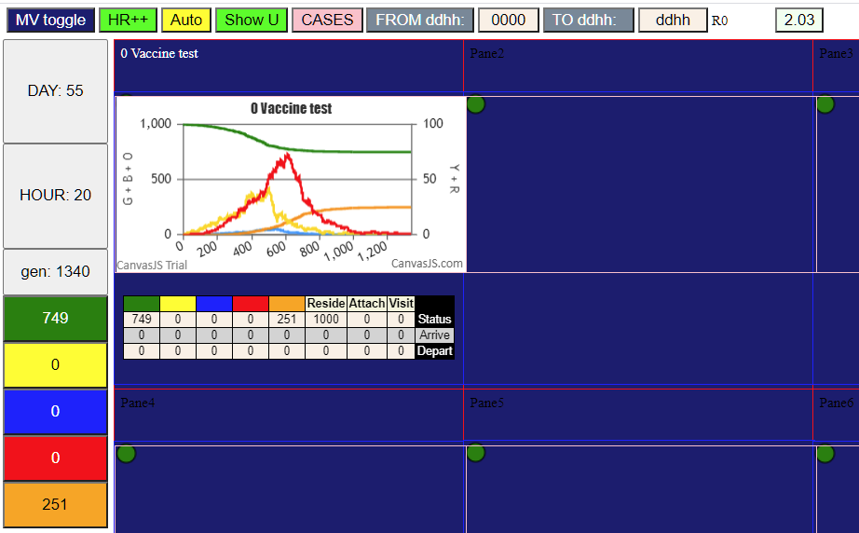

75%
Day0 | 54
Day 21 | 519

